PCA-SVC
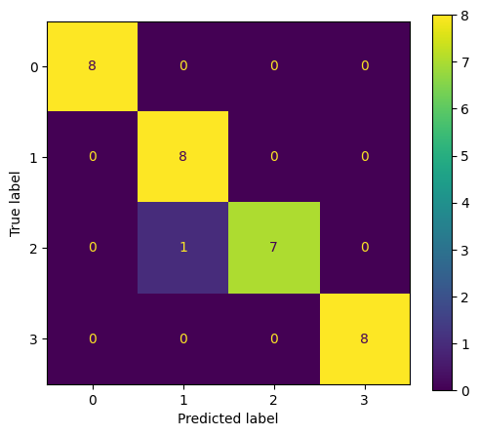
precision | recall | f1-score | support
1 | 1 | 1 | 8
0.88888888889 | 1 | 0.94117647059 | 8
1 | 0.875 | 0.93333333333 | 8
1 | 1 | 1 | 8
0.96875 | 0.96875 | 0.96875 | 0.96875
0.97222222222 | 0.96875 | 0.96862745098 | 32
0.97222222222 | 0.96875 | 0.96862745098 | 32

PCA-GaussianNB
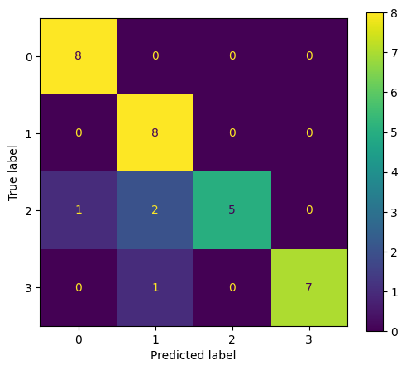
precision | recall | f1-score | support
0.88888888889 | 1 | 0.94117647059 | 8
0.72727272727 | 1 | 0.84210526316 | 8
1 | 0.625 | 0.76923076923 | 8
1 | 0.875 | 0.93333333333 | 8
0.875 | 0.875 | 0.875 | 0.875
0.90404040404 | 0.875 | 0.87146145908 | 32
0.90404040404 | 0.875 | 0.87146145908 | 32

PCA-BernoulliNB
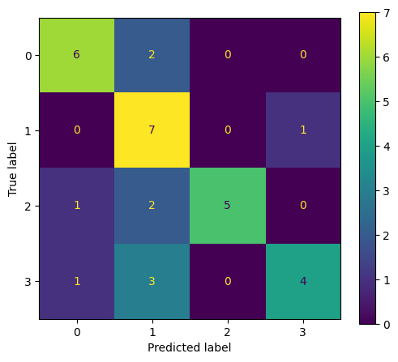
precision | recall | f1-score | support
0.75 | 0.75 | 0.75 | 8
0.5 | 0.875 | 0.63636363636 | 8
1 | 0.625 | 0.76923076923 | 8
0.8 | 0.5 | 0.61538461538 | 8
0.6875 | 0.6875 | 0.6875 | 0.6875
0.7625 | 0.6875 | 0.69274475524 | 32
0.7625 | 0.6875 | 0.69274475524 | 32

PCA-RandomForestClassifier
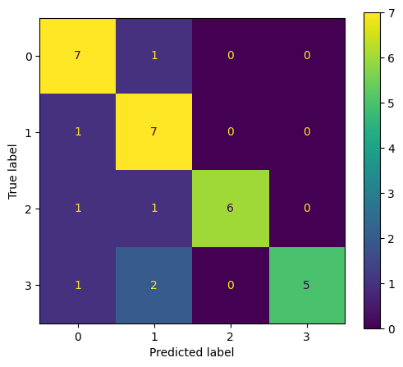
precision | recall | f1-score | support
0.7 | 0.875 | 0.77777777778 | 8
0.63636363636 | 0.875 | 0.73684210526 | 8
1 | 0.75 | 0.85714285714 | 8
1 | 0.625 | 0.76923076923 | 8
0.78125 | 0.78125 | 0.78125 | 0.78125
0.83409090909 | 0.78125 | 0.78524837735 | 32
0.83409090909 | 0.78125 | 0.78524837735 | 32

PCA-DecisionTreeClassifier
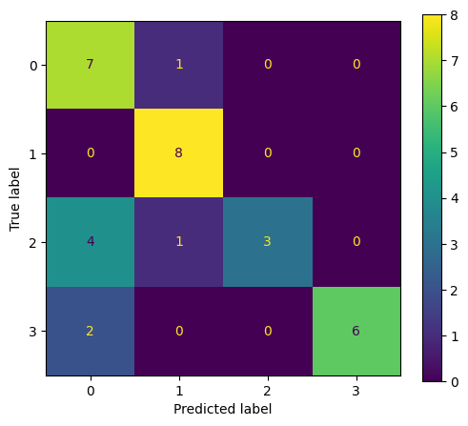
precision | recall | f1-score | support
0.53846153846 | 0.875 | 0.66666666667 | 8
0.8 | 1 | 0.88888888889 | 8
1 | 0.375 | 0.54545454545 | 8
1 | 0.75 | 0.85714285714 | 8
0.75 | 0.75 | 0.75 | 0.75
0.83461538462 | 0.75 | 0.73953823954 | 32
0.83461538462 | 0.75 | 0.73953823954 | 32

PCA-AdaBoostClassifier
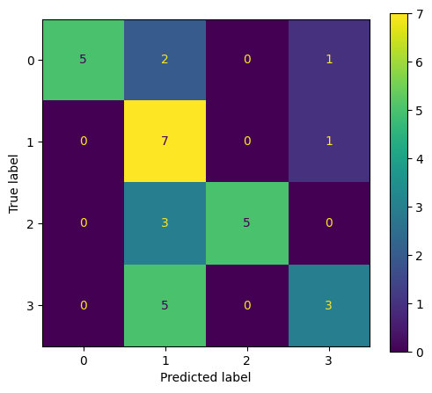
precision | recall | f1-score | support
1 | 0.625 | 0.76923076923 | 8
0.41176470588 | 0.875 | 0.56 | 8
1 | 0.625 | 0.76923076923 | 8
0.6 | 0.375 | 0.46153846154 | 8
0.625 | 0.625 | 0.625 | 0.625
0.75294117647 | 0.625 | 0.64 | 32
0.75294117647 | 0.625 | 0.64 | 32

PCA-GradientBoostingClassifier
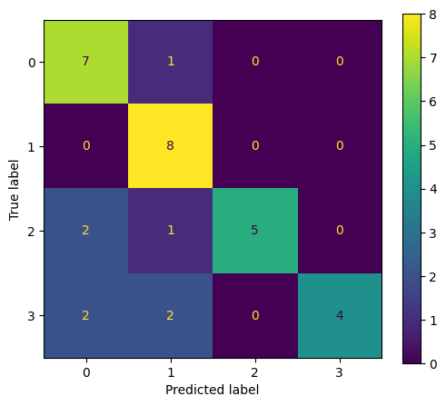
precision | recall | f1-score | support
0.63636363636 | 0.875 | 0.73684210526 | 8
0.66666666667 | 1 | 0.8 | 8
1 | 0.625 | 0.76923076923 | 8
1 | 0.5 | 0.66666666667 | 8
0.75 | 0.75 | 0.75 | 0.75
0.82575757576 | 0.75 | 0.74318488529 | 32
0.82575757576 | 0.75 | 0.74318488529 | 32

